OutputForces
 | Scenario | F_0x | F_0y | F_0z | F_1x | F_front_upper - rod end | F_rear_upper - rod end | F_front_lower - rod end | F_rear_lower - rod end | F_damper | F_steering | UBJ - spherical | LBJ - spherical
0 | Self weight | 0 | 0 | 750 | 0 | 59.135406112 | -200.25132491 | 182.59114944 | 743.21278157 | -1068.1737277 | -9.16E-12 | 165.04510306 | 903.80193476
1 | Brake | -1500 | 0 | 750 | 0 | 1506.8243888 | -944.74990536 | -4518.3214962 | 3501.7842804 | -1068.3916275 | 397.9052364 | 1093.9106572 | 2393.0752956
2 | Impact | 0 | 0 | 750 | -200 | -111.76858773 | -130.72552416 | 16.682174691 | 636.3866712 | -1068.3049961 | 239.70814037 | 223.07866516 | 650.65329921
3 | Brake Impact | -1500 | 0 | 750 | -200 | 1335.9203949 | -875.22410461 | -4684.2304709 | 3394.95817 | -1068.5228959 | 637.61337677 | 967.26488475 | 2525.7845139
4 | Corner Outside | 0 | 1600 | 1000 | 0 | 484.7932303 | -1641.664327 | -1471.9433557 | 5107.3846316 | -1564.7117983 | -9.94E-11 | 1353.0430231 | 3930.2026047
5 | Corner Outside Brake | -1400 | 1400 | 1000 | 0 | 1785.2263614 | -2164.6968487 | -5645.0370472 | 7167.4970818 | -1547.3551513 | 371.37822064 | 1592.1082027 | 3784.1894868
6 | Corner Outside Impact | 0 | 1600 | 1000 | -200 | 313.88923646 | -1572.1385263 | -1637.8523304 | 5000.5585212 | -1564.8430667 | 239.70814037 | 1374.2226637 | 3706.387759
7 | Corner Outside Brake Impact | -1400 | 1400 | 1000 | -200 | 1614.3223675 | -2095.1710479 | -5810.9460219 | 7060.6709714 | -1547.4864197 | 611.08636101 | 1524.3723566 | 3705.7555794
8 | Corner Inside | 0 | -1500 | 750 | 0 | -321.43898966 | 1088.4948255 | 1790.7769822 | -3115.9443336 | -936.47357641 | 7.26E-11 | 897.1263523 | 1846.9696582
9 | Corner Inside Brake | -1060 | -1060 | 750 | 0 | 813.22971418 | 184.35029121 | -2002.9357983 | -34.534387328 | -975.25960334 | 281.18636706 | 949.95594792 | 2032.4286609
10 | Corner Inner Impact | 0 | -1500 | 750 | -200 | -492.3429835 | 1158.0206263 | 1624.8680074 | -3222.770444 | -936.60484476 | 239.70814037 | 892.10641145 | 2026.4894859
11 | Corner Inner Brake Impact | -1060 | -1060 | 750 | -200 | 642.32572034 | 253.87609196 | -2168.8447731 | -141.3604977 | -975.39087168 | 520.89450743 | 838.02831118 | 2290.4371771
12 | Accelerate and below | 0 | 0 | 750 | 0 | 59.135406112 | -200.25132491 | 182.59114944 | 743.21278157 | -1068.1737277 | -9.16E-12 | 165.04510306 | 903.80193476
13 | Accelerate and below | 1500 | 0 | 750 | 0 | -1388.5535766 | 544.24725553 | 4883.503795 | -2015.3587172 | -1067.9558279 | -397.9052364 | 1086.4564892 | 3338.5282106
14 | Accelerate and below | 0 | 0 | 750 | -200 | -111.76858773 | -130.72552416 | 16.682174691 | 636.3866712 | -1068.3049961 | 239.70814037 | 223.07866516 | 650.65329921
15 | Accelerate and below | 1500 | 0 | 750 | -200 | -1559.4575704 | 613.77305629 | 4717.5948203 | -2122.1848276 | -1068.0870962 | -158.19709604 | 1219.2109256 | 3115.4415626
16 | Accelerate and below | 0 | 1600 | 1000 | 0 | 484.7932303 | -1641.664327 | -1471.9433557 | 5107.3846316 | -1564.7117983 | -9.94E-11 | 1353.0430231 | 3930.2026047
17 | Accelerate and below | 1400 | 1400 | 1000 | 0 | -917.12640628 | -774.9661652 | 3129.9998913 | 2018.1636174 | -1546.948405 | -371.37822064 | 1556.74881 | 4962.8388447
18 | Accelerate and below | 0 | 1600 | 1000 | -200 | 313.88923646 | -1572.1385263 | -1637.8523304 | 5000.5585212 | -1564.8430667 | 239.70814037 | 1374.2226637 | 3706.387759
19 | Accelerate and below | 1400 | 1400 | 1000 | -200 | -1088.0304001 | -705.44036445 | 2964.0909165 | 1911.337507 | -1547.0796733 | -131.67008028 | 1655.8042477 | 4699.9187282
20 | Accelerate and below | 0 | -1500 | 750 | 0 | -321.43898966 | 1088.4948255 | 1790.7769822 | -3115.9443336 | -936.47357641 | 7.26E-11 | 897.1263523 | 1846.9696582
21 | Accelerate and below | 1060 | -1060 | 750 | 0 | -1232.8373813 | 1236.5749516 | 4641.0207408 | -3933.315439 | -974.95163825 | -281.18636706 | 971.16660771 | 2432.2528265
22 | Accelerate and below | 0 | -1500 | 750 | -200 | -492.3429835 | 1158.0206263 | 1624.8680074 | -3222.770444 | -936.60484476 | 239.70814037 | 892.10641145 | 2026.4894859
23 | Accelerate and below | 1060 | -1060 | 750 | -200 | -1403.7413752 | 1306.1007523 | 4475.111766 | -4040.1415493 | -975.08290659 | -41.47822669 | 1069.4902034 | 2356.3613396
24 | Full squat | 0 | 0 | 1800 | 0 | 141.92497467 | -480.60317979 | 438.21875865 | 1783.7106758 | -2563.6169465 | -2.20E-11 | 396.10824735 | 2169.1246434
25 | Max compression | -1500 | -1500 | 750 | -200 | -1559.4575704 | -2164.6968487 | -5810.9460219 | -4040.1415493 | -2563.6169465 | -397.9052364 | 165.04510306 | 650.65329921
26 | Max tension | 1500 | 1600 | 1800 | 0 | 1785.2263614 | 1306.1007523 | 4883.503795 | 7167.4970818 | -936.47357641 | 637.61337677 | 1655.8042477 | 4962.8388447
 |  |  |  |  |  | ^ Forces go here ^
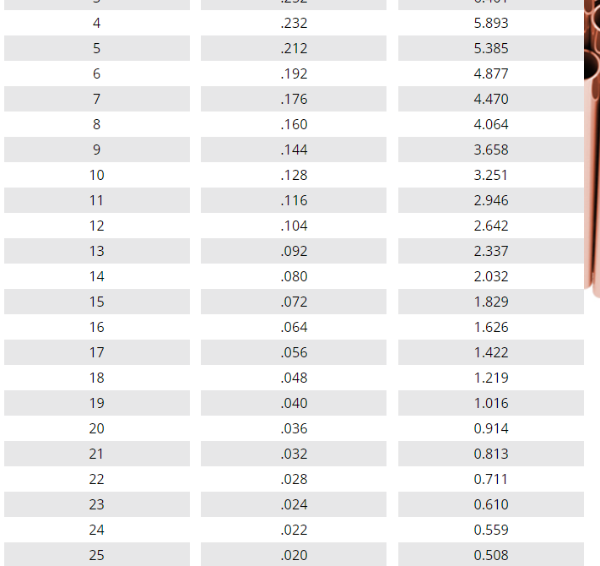
 | E / Pa | 2.10E+11
 | Yield Stress / Pa | 2.40E+08 |  |  |  | Upper |  | Lower |  | Damper | Track rod |  | Key
 |  |  |  |  | Length/mm | 427 | 212 | 512 | 340 | 366 | 394 |  | Input
 |  |  |  |  | Outer diameter/in | 0.5 | 0.5 | 0.75 | 0.75 | 0.5 | 0.5 |  | Intermediate
 |  |  |  |  | Outer diameter/mm | 12.7 | 12.7 | 19.05 | 19.05 | 12.7 | 12.7 |  | Output
 | Buckle safety factor | 2 |  |  | Outer radius/m | 0.00635 | 0.00635 | 0.009525 | 0.009525 | 0.00635 | 0.00635
 | Tensile yield safety factor | 2 |  | Buckle | Required I/m^4 | 2.74E-10 | 9.39E-11 | 1.47E-09 | 4.51E-10 | 3.31E-10 | 5.96E-11
 | Bearing safety factor | 2 |  |  | Required thickness/mm | 0.37 | 0.12 | 0.59 | 0.17 | 0.46 | 0.08
 |  |  |  | Tension | Required area/m^2 | 1.49E-05 | 1.09E-05 | 4.07E-05 | 5.97E-05 | -7.80E-06 | 5.31E-06
 |  |  |  |  | Required thickness/mm | 0.38 | 0.28 | 0.71 | 1.06 | -0.19 | 0.13
 |  |  |  | Overall | Critical Thickness/mm | 0.38 | 0.28 | 0.71 | 1.06 | 0.46 | 0.13
 |  |  |  |  | Critical Thickness/in | 0.015 | 0.011 | 0.028 | 0.042 | 0.018 | 0.005

 |  |  |  |  |  | Rod ends and spherical bearings - load requirements
 |  |  |  |  |  | 3570.4527227 | 4329.3936974 | 11621.892044 | 14334.994164 | 5127.233893 | 1275.2267535 | 3311.6084954 | 9925.6776893
 |  |  |  |  |  |  | 3/8" 16SWG |  |  |  | 3/8" 16SWG |  |  |  | Thickness
 |  |  |  |  | lighter than 3/8" | 1/2" 20SWG | 1/2" 20SWG |  |  |  | 1/2" 20SWG |  |  | 20SWG | .036"
 |  |  |  |  |  |  |  | 3/4" 16SWG | 3/4" 16SWG |  |  |  |  | 16SWG | .064"

